Tables
Special Note: I put NULL for TourDescription as it says in the PDF they will be provided later
Name: | Leah Nicholson
Date: | 28-Jan-25
Class: | DEV140
Assign: | Assignment 08 -- Business Rules

Boat |  |  |  |  | Tour |  |  | Guide
BoatID | BoatName | Capacity | MaxWeight |  | TourID | TourName | TourDescription | GuideID | EmployeeID | HR_ID
PK |  |  |  |  | PK |  |  | PK | FK | FK
1 | Grizzly | 5 | 750 |  | 11 | Scenic River Tour | NULL | 100 | 12345 | 1123
2 | Brown Bear | 5 | 750 |  | 22 | Hoh River Tour | NULL | 200 | 67890 | 4456
3 | Black Bear | 5 | 750 |  | 33 | Willapa River Tour | NULL | 300 | 54321 | 7789

Schedule |  |  |  |  |  |  |  | License
ScheduleID | BoatID | TourID | GuideID | DayOfWeek | DepartureTime | ReturnTime |  | LicenseID | GuideID | LicenseType | LicenseNumber | ExpirationDate
PK | FK | FK | FK |  |  |  |  | PK | FK
1111 | 1 | 11 | 100 | Friday | 9:00:00 | 16:00:00 |  | 1010 | 100 | Drivers | SAMPLEAB1234A | 2026-09-10
2222 | 1 | 22 | 100 | Saturday | 9:00:00 | 16:00:00 |  | 1011 | 100 | Fishing | 1119122 | 2026-12-13
3333 | 1 | 33 | 100 | Sunday | 9:00:00 | 16:00:00 |  | 1012 | 100 | First Aid | 123-456-7890 | 2026-03-04
 |  |  |  |  |  |  |  | 1013 | 100 | CPR | 1112 | 2026-03-04

ERD Snippet
Name: | Leah Nicholson
Date: | 28-Jan-25
Class: | DEV140
Assign: | Assignment 08 -- Business Rules

 | ERD SNIPPET

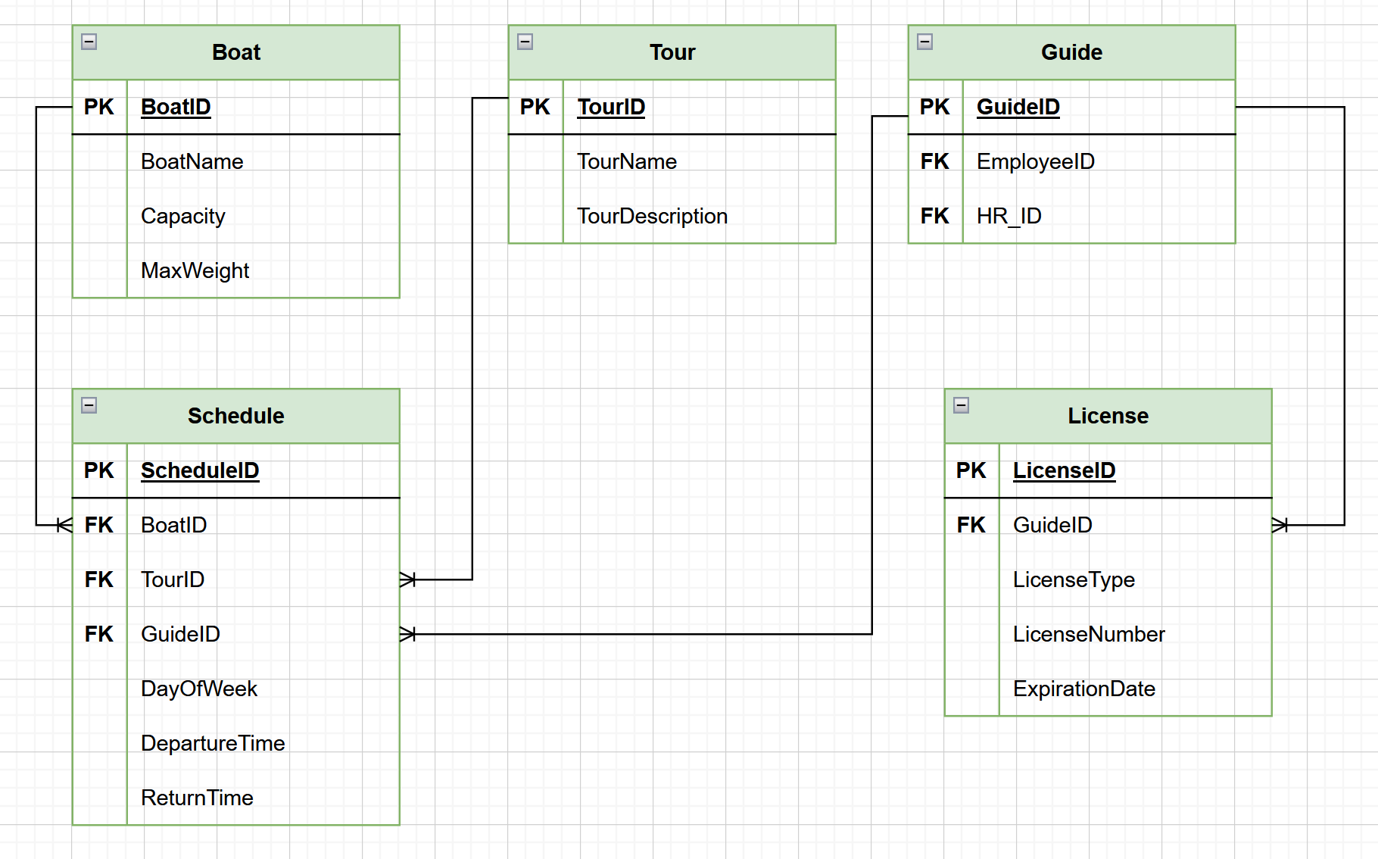
1
1
1
1

